Sheet1
 |  | Document No. | Issue No. | Issue Date |  | Review and Replace Date |  | Authorised By
 |  | GFF455MC | 4 | 05.09.2024 |  | 26.06.2026
 |  | Document Title | Gazebo Deli -Paneer Jelfrezi 1300g
 |  | Product Final Weight Changed |  |  | Page |  | 1 of 1 | Magda Shah
Document amendments reason for change |  |  |  |  | Previous Issue Date |  | 01.09.2025 | Uncontrolled copy unless signed original

CVPJAL-B1B | GAZEBO DELI - BOOTHS |  | Gazebo Deli -Paneer Jelfrezi 1300g
STEP 1 |  |  |  |  | STEP 2
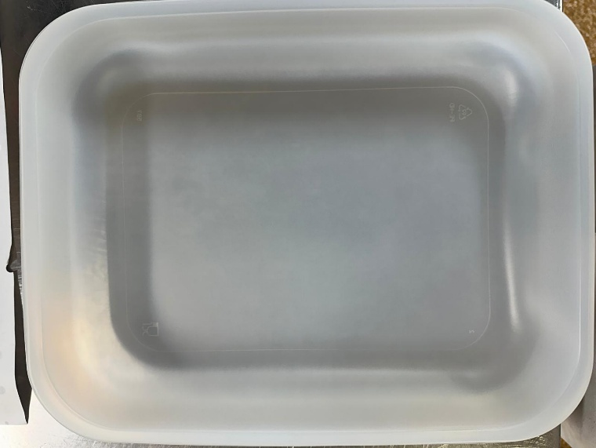 |  |  |  |  | 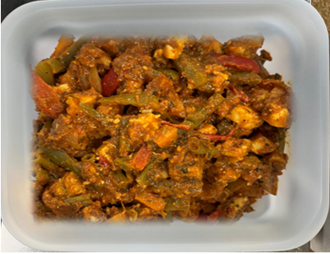
Tray: 597 natural (320x245x50mm) -PKPRO001-20 Film: S340AF 340mmX510mm AF&HB Weld- PKPRO001-17
Paneer Jelfrezi (GFF489R) 1300g |  |  |  |  |  |  |  |  | 1300g
ALLERGY ALERT: Barley, Milk

